1. Title Page
[Grocery Basket Analysis]

Project Name: Instacart Grocery Basket Analysis
Date: April 12, 2023
Analyst Name: Jennifer Sousa Cameron

Contents:
Population Flow
Consistency checks
Wrangling steps
Column derivations
Visualizations
Recommendations

2. Population Flow
Title page

Population flow

Exclusion flag
Condition: max_order < 5
Obervations to be removed: Customer Privacy Columns: First Name, Surname, Data joined.
Final total count of order_products_all:

Orders_products_combined
Orders_products_merged
Orders_products_all

Total: 30,328,763
Total: 30,356,421
Total: 30,328,764

1.) The grey boxes in the first row of the population flow represent the original data sets as they were when you downloaded them. In the Total fields you need to add the count of the rows when you imported the data set into Jupyter.
2.) The second row of boxes (coloured) represents the data sets after you manipulated them, e.g., removed missing values and duplicates. In the Total fields you need to add the count of the rows after conducting these operations. This offers a visual oveview of how the data flows throughout the data consistency checks.
3.) The third row, where also the arrows are coloured, represents the merges you performed between the datasets. In the Total fields you need to add the count of the rows in the merged datasets, so that you end up with the final dataset (in the red box). Keep in mind the final dataset should be without exclusions (based on the exclusion flag).

3. Consistency checks
 |  |  |  | Title page
Consistency checks

Dataset | Missing values | Missing values treatment | Duplicates
orders | 206,209 missing values in "days_since_prior_order" | Missing values were not removed because the values corresponded to some user's single purchase. | 0
products | 16 missing values in "product_name" | Removed from dataset | 5 duplicates were removed
orders_products_prior | 0 | N/A | 0
customers | 0 | N/A | 0

4. Wrangling steps
 |  |  |  | Title page
Wrangling steps

Columns dropped | Columns renamed | Columns' type changed | Comment/Reason
eval_set |  |  | Did not need this column information for final report
 | order_dow to orders_day_of_week |  | Renamed for clarity
 |  | transposed department_id
 |  | changed user_id to string
 |  | changed order_hour_of_day to string
 | department_id was transposed |  | Transposed to provide readability
First Name |  |  | Data Privacy
Surnam |  |  | Data Privacy
date_joined |  |  | Column not relevant
 | fam_status to family_status |  | Renamed for clarity
 | STATE to state |  | Renamed for consistency
 | Age to age |  | Renamed for consistency
 | n_dependants to number_of_dependants |  | Renamed for clarity

5. Column derivations
 |  |  |  | Title page

Column derivations and aggregations

In this tab you should add tables below that the frequences of flags/label variables that you produced after deriving them. NB: don't do this for continuous variables, only for flags.
Dataset | New column | Column/s it was derived from | Conditions
orders_products_merged | price_range_loc | prices | If prices is greater than 15 : High range product If prices is between 5 and/including 15 : Mid range product If prices is less than 5 : Low range product
orders_products_merged | busiest_day | orders_day_of_week | If orders_day_of_week is 0 or 1 : Busiest days If orders_day_of_week is 3 or 4 : Slowest days If orders_day_of_week is 2, 5, or 6 : Regular days
orders_products_merged | busiest_period_of_day | order_hour_of_day | If order_hour_of_day is between 9 and 16 : Most orders If order_hour_of_day is between 0 and 6 or value is 23 : Least orders All otherorder_hour_of_day : Average orders
orders_products_derived | loyalty_flag | max_order | If max_order is greater than 40 : Loyal customer If max_order is > 10 and less than or equal to 40 : Regular customer If max order is less than or equal to 10 : New customer
orders_products_derived | spender_flag | avg_price | If avg_price is less than 10 : Low spender If avg_price is greater than or equal to 10 : High spender
orders_products_derived | frequency_flag | med_freq | If med_freq is greater than 20 : Non-frequent customer If med_freq is greater than 10 and less than or equal to 20 : Regular customer If med_freq is less than or equal to 10 : Frequent customer
orders_products_customers | region | state | northeast = ['Maine', 'New Hampshire', 'Vermont', 'Massachusetts', 'Rhode Island', 'Connecticut', 'New York', 'Pennsylvania', 'New Jersey'] midwest = ['Wisconsin', 'Michigan', 'Illinois', 'Indiana', 'Ohio', 'North Dakota', 'South Dakota', 'Nebraska', 'Kansas', 'Minnesota', 'Iowa', 'Missouri'] south = ['Delaware', 'Maryland', 'District of Columbia', 'Virginia', 'West Virginia', 'North Carolina', 'South Carolina', 'Georgia', 'Florida', 'Kentucky', 'Tennessee', 'Mississippi', 'Alabama', 'Oklahoma', 'Texas', 'Arkansas', 'Louisiana'] west = ['Idaho', 'Montana', 'Wyoming', 'Nevada', 'Utah', 'Colorado', 'Arizona', 'New Mexico', 'Alaska', 'Washington', 'Oregon', 'California', 'Hawaii']
orders_products_customers | activity_flag | max_order | If max_order is less than 5 : Low-activity If max_order is greater than or equal to 5 : High-activity
high_activity_customers | age_group | age | If age is between 18 and 40 : Young Adult If age is betweeen 40 and 65 : Middle-Aged If age is greater than equal to 65 : Senior
high_activity_customers | income_group | income | If income is less than 70000 : Low If income is between 70000 - 120000 : Middle If income is greater than 120000 : High
high_activity_customers | family_size | number_of_dependants | If number of dependants is equal to 0 : Small If number of dependants is 1 or 2 : Medium If number of dependants 3 or more : Large

6. Visualizations
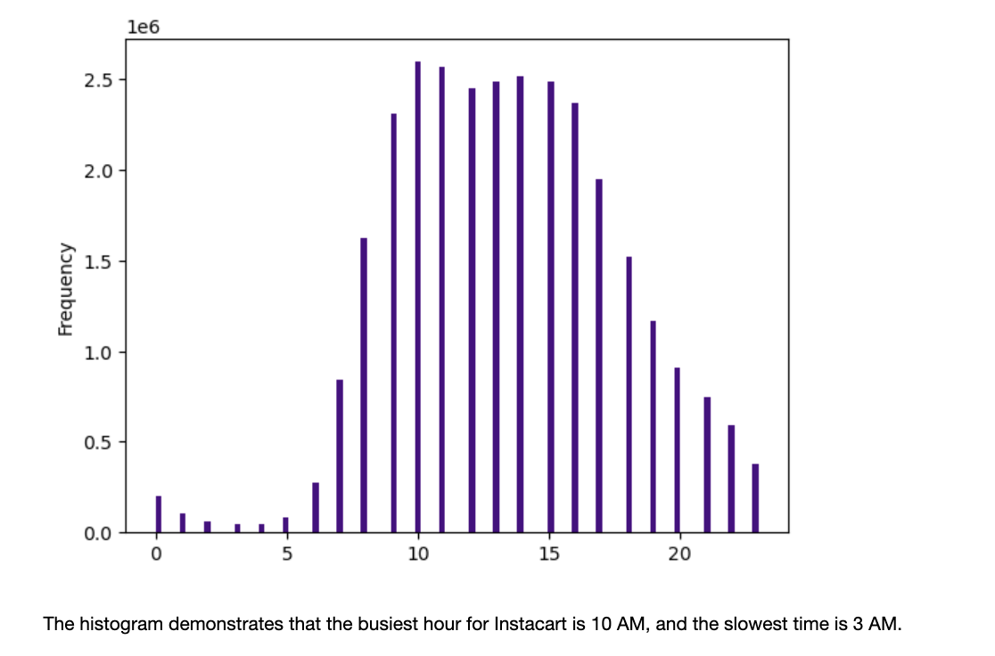
Title page

Visualisations

In this tab you should include all the visualtions from Exercises 4.9 and 4.10, alongside the questions from the project brief that they answer. Include any commentary on the relationship between different variables.

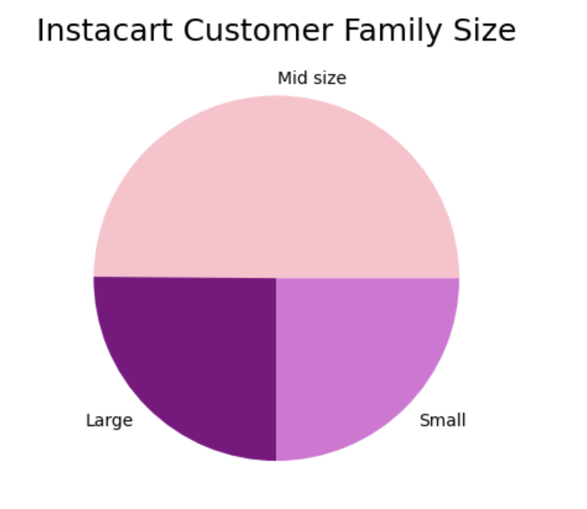
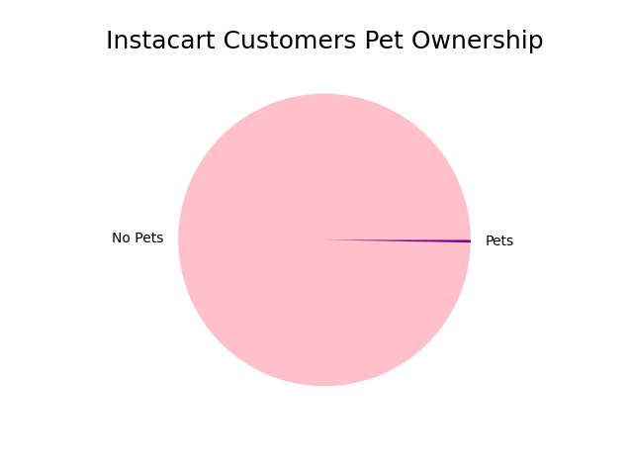

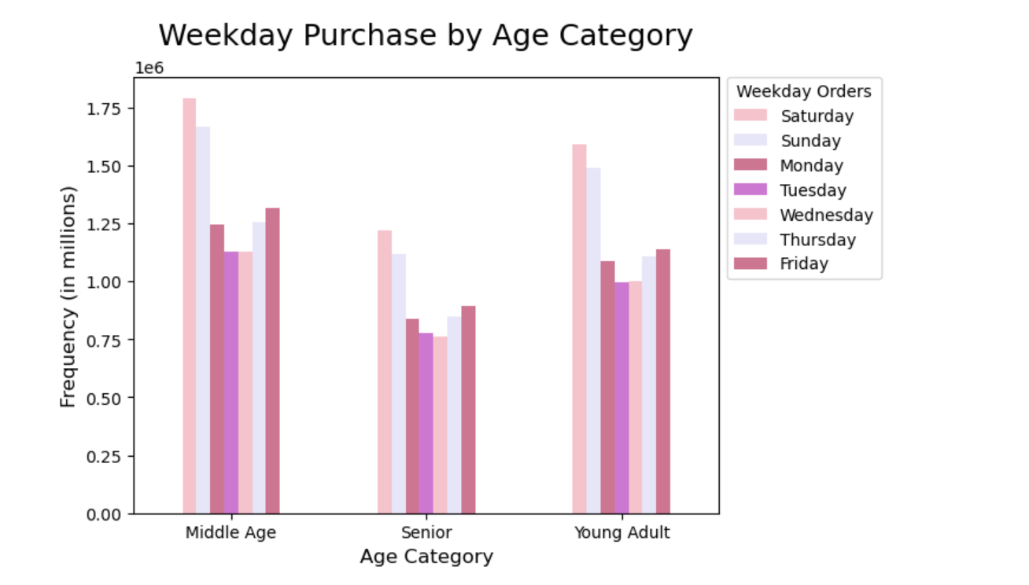
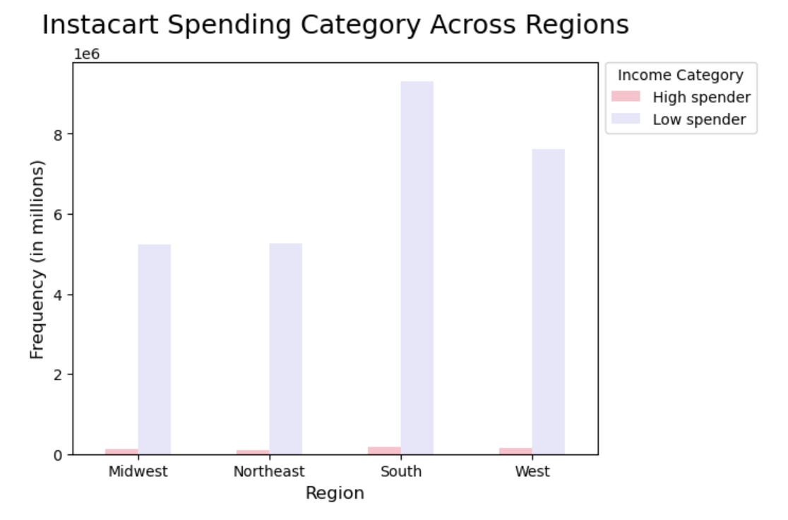

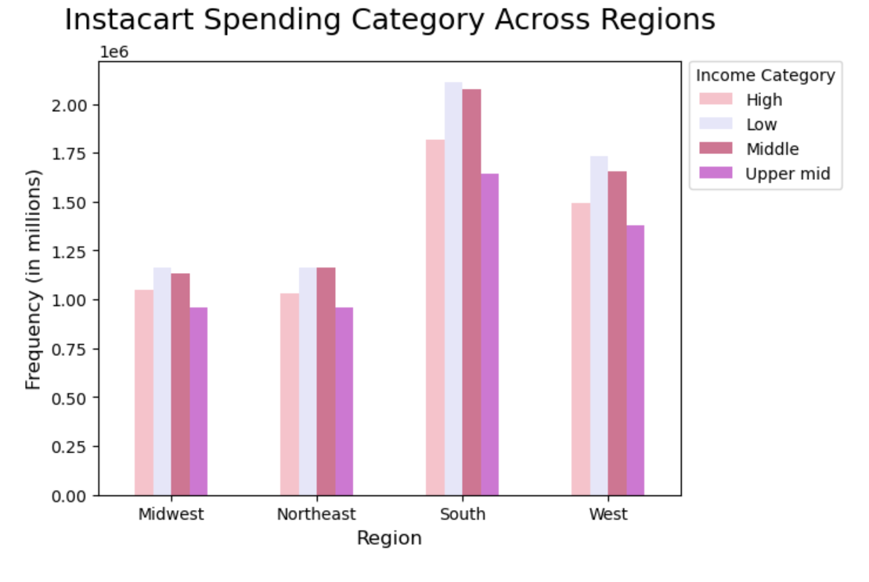
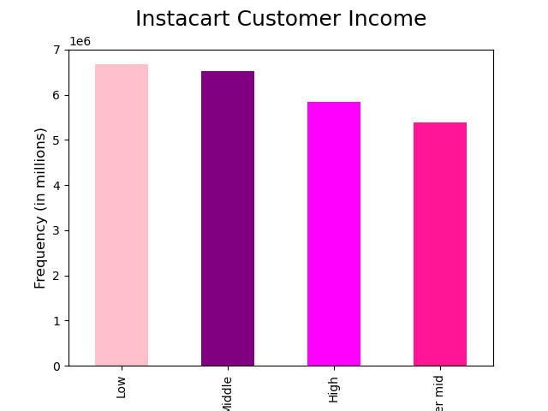

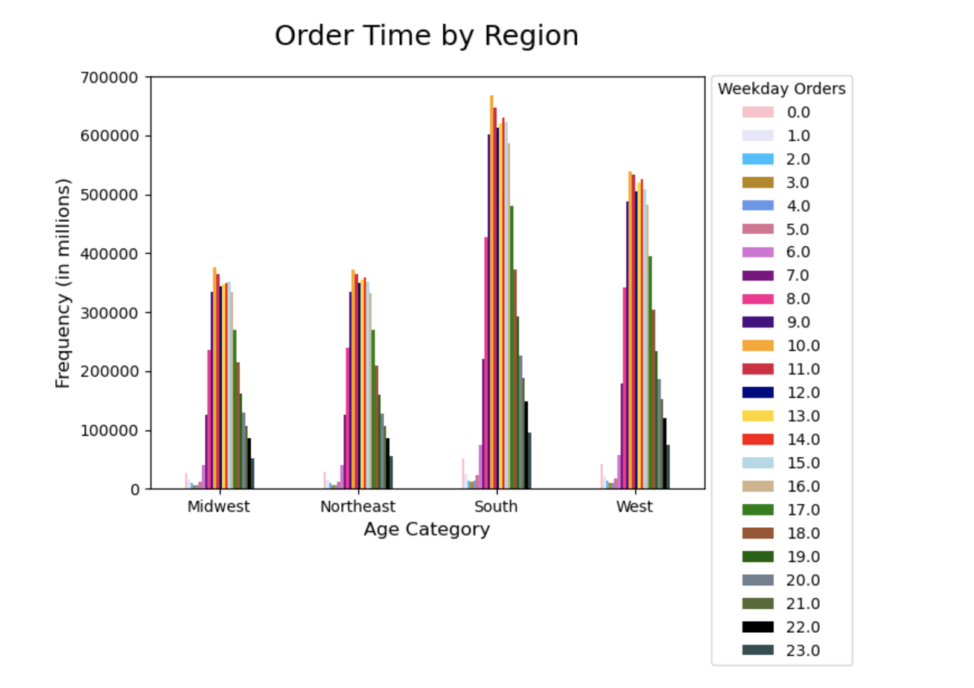
Busiest Hour for Instacart

7. Recommendations
 |  | Title page

Recommendations

In this tab you should include any recommendations you would made to Instcart in terms of their marketing strategy based on the questions posed in the brief. Every key question has been covered in the Tasks of the Exercises - here you need to add an item - a visualisation or table/crosstable that is showing the answer in the data, acompanied by a comment from you. Please, list the questions below and add the answer underneath.

Question | Answer
1. The sales team needs to know what the busiest days of the week and hours of the day are in order to schedule ads at times when there are fewer orders. | The busiest days of the week are the weekends Saturday and Sunday. The busiest hours of the day are between 9am and 5pm. Recommend to provide additional ads and discounts during the weekdays particularly on Tuesdays and Wednesdays to incentivize customers to purchase more products during the slowest days.

2. They also want to know whether there are particular times of the day when people spend the most money, as this might inform the type of products they advertise at these times. | Based on the analysis, the weekends, specifically Saturday and Sunday, are the busiest days of the week for Instacart. Furthermore, the busiest hours are between 9:00 AM and 5:00 PM. To encourage customers to make more purchases during the slower days, it is recommended to offer additional ads and discounts during the weekdays, particularly on Tuesdays and Wednesdays.

3. Instacart has a lot of products with different price tags. Marketing and sales want to use simpler price range groupings to help direct their efforts | Instacart product prices ranges from $1 to $25. Pricing is grouped by 3 categories: Low range product (less than $5), Mid range product (between $5 and $15) ,and High range product (greater than $15). The majority of the purchases made were within the Mid range product.

4. Are there certain types of products that are more popular than others? The only marketing and sales teams want to know which departments have the highest frequency of product orders. | Based on performance metrics, the produce and dairy/eggs departments have exhibited superior results, while the snacks and beverages departments have also shown promising outcomes. It is advisable to prioritize promotions and other career development opportunities in these crucial departments, as they play a vital role in fulfilling the needs of the users.

5a. What’s the distribution among users in regards to their brand loyalty (i.e., how often do they return to Instacart)? | Using a quantitative approach, Instacart has categorized its customers into three distinct groups based on their order history: New customers (orders less than 10), Regular customers (orders between 10 and 40), and Loyal customers (orders greater than 40). The majority of Instacart's customers belong to the Regular customer category, with almost half of them being Loyal customers. To retain these two groups of customers, it is recommended to establish a Loyalty/Rewards program with multiple tiers that offer additional benefits.

5b. Are there differences in ordering habits based on a customer’s loyalty status? | A thorough analysis of customer data revealed no discernible differences in ordering patterns based on their loyalty status. Purchasing behaviors remained consistent across various factors such as day of the week, time of day, and departments. Nevertheless, as mentioned earlier, it is advisable to introduce a Loyalty/Rewards program to incentivize and retain customers.

5c. Are there differences in ordering habits based on a customer’s region? | Based on purchase records, the Southern region outperforms other regions in terms of the total number of orders placed. However, no significant differences were observed in the ordering patterns across various regions. Therefore, it is recommended to increase advertising efforts in the Southern region to expand the consumer base further.

5d. Is there a connection between age and family status in terms of ordering habits? | Using an age-based classification approach, the customer base was segmented into three groups: Young adult (18-39 years old), Middle-Aged (40-64 years old), and Senior (65 years old and above). The analysis revealed that the majority of orders were placed by married users across all three age groups. As a result, it is suggested to launch targeted ads and promotions for married users to better engage with this customer segment.

5e. What different classifications does the demographic information suggest? Age? Income? Certain types of goods? Family status? | After analyzing the frequency of orders across various demographics, a particular group emerged as the top purchasers. Middle-aged users were the most frequent purchasers in terms of age groups. Similarly, users belonging to the middle-income group and households with medium size were found to make the most purchases in their respective categories. These findings indicate that the majority of users fall under the "middle" category across various demographic factors.

5f. What differences can you find in ordering habits of different customer profiles? Consider the price of orders, the frequency of orders, the products customers are ordering, and anything else you can think of. | The analysis indicates that there are no significant variations in the ordering patterns among different customer profiles. Consistency is observed across all customer profiles regarding their ordering habits.

Final Recommendation To maintain customer loyalty and encourage them to continue using Instacart's services, it is recommended to establish a Loyalty/Reward program. Additionally, advertising efforts and promotions should be intensified based on the identified criteria mentioned earlier. Implementing targeted marketing plans for specific customer segments will likely result in increased purchases and ensure Instacart's ongoing success.

